Zoning
General Assumptions
Acres |  |  |  | zoning requires parking, how does bklyn navy yard work?
Far |  | 2
Zoning |  | M3-1 |  | https://newyorkyimby.com/2021/01/brooklyn-navy-yard-development-corporation-leases-56000-square-feet-of-manufacturing-area-at-building-127.html
Square Footage |  | 95,000.00
Total Rentable Sqft |  | 95,000.00

Zoning Requirements
Back Yard |  | 20.0000 | sqft
Building Height |  | 60.00 | feet

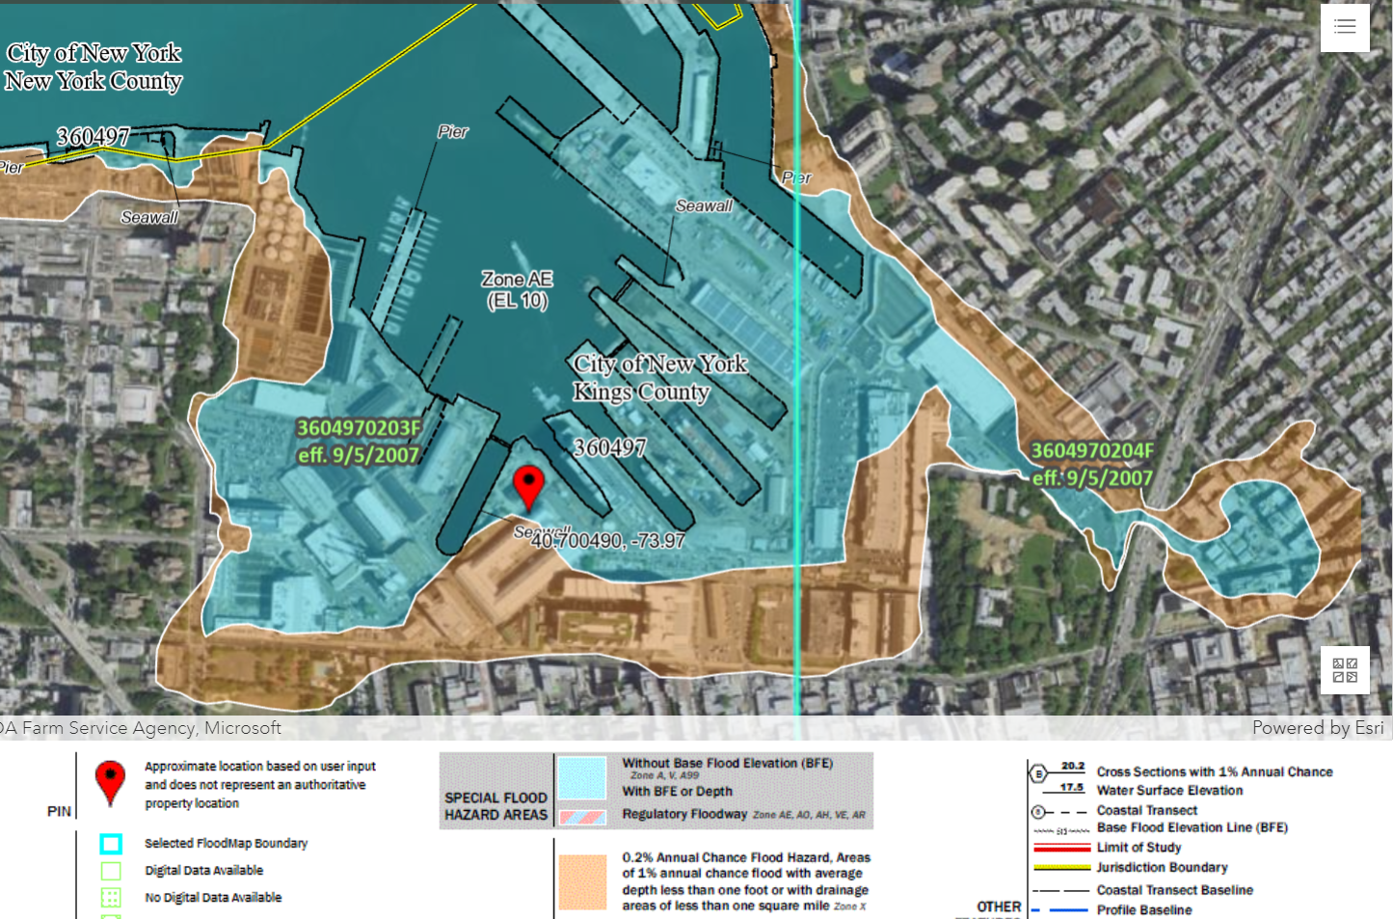

Floor Layout | Zone | AE
DFE |  | Floor One

General Assumptions
Property Type |  | Industrial
Purchase Date |  | 1/1/2024
Hold Period (Years) |  | 10
Sale Date |  | 12/31/2033

Bell Curve of Construction Cost
Construction Schedule in Month | Month 1 | Month 2 | Month 3 | Month 4 | Month 5 | Month 6 | Month 7 | Month 8 | Month 9 | Month 10
6 | 20.00% | 30.00% | 30.00% | 20.00% |  |  |  |  |  |  | 100.00%
7 | 15.00% | 20.00% | 30.00% | 20.00% | 15.00% |  |  |  |  |  | 100.00%
8 | 10.00% | 15.00% | 25.00% | 25.00% | 15.00% | 10.00% |  |  |  |  | 100.00%
9 | 7.50% | 12.50% | 17.50% | 25.00% | 17.50% | 12.50% | 7.50% |  |  |  | 100.00%
10 | 5.00% | 10.00% | 15.00% | 20.00% | 20.00% | 15.00% | 10.00% | 5.00% |  |  | 100.00%
11 | 5.00% | 7.50% | 12.50% | 15.00% | 20.00% | 15.00% | 12.50% | 7.50% | 5.00% |  | 100.00%
12 | 4.00% | 6.50% | 10.00% | 12.50% | 17.00% | 17.00% | 12.50% | 10.00% | 6.50% | 4.00% | 100.00%

Total Construction Cost Budget |  | $28,737,500

Construction Schedule in Month | Month 1 | Month 2 | Month 3 | Month 4 | Month 5 | Month 6 | Month 7 | Month 8 | Month 9 | Month 10
6 | $5,747,500 | $8,621,250 | $8,621,250 | $5,747,500
7 | $4,310,625 | $5,747,500 | $8,621,250 | $5,747,500 | $4,310,625
8 | $2,873,750 | $4,310,625 | $7,184,375 | $7,184,375 | $4,310,625 | $2,873,750
9 | $2,155,313 | $3,592,188 | $5,029,063 | $7,184,375 | $5,029,063 | $3,592,188 | $2,155,313
10 | $1,436,875 | $2,873,750 | $4,310,625 | $5,747,500 | $5,747,500 | $4,310,625 | $2,873,750 | $1,436,875
11 | $1,436,875 | $2,155,313 | $3,592,188 | $4,310,625 | $5,747,500 | $4,310,625 | $3,592,188 | $2,155,313 | $1,436,875
12 | $1,149,500 | $1,867,938 | $2,873,750 | $3,592,188 | $4,885,375 | $4,885,375 | $3,592,188 | $2,873,750 | $1,867,938 | $1,149,500

Bell Curve of Construction Cost

